גיליון1
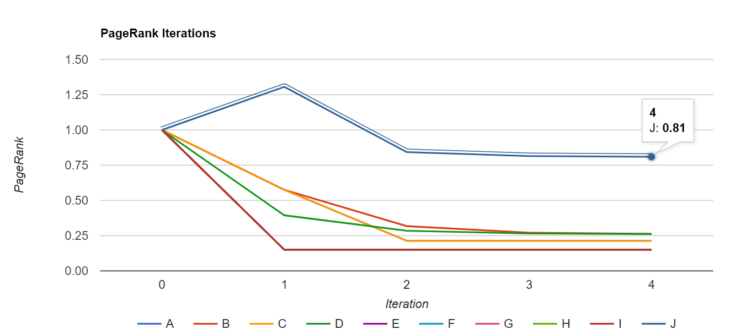
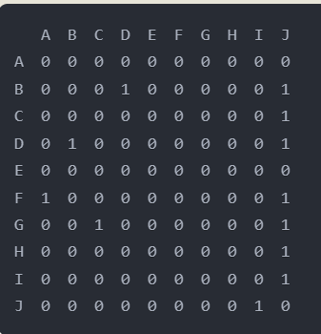
Page Rank for first 10 articles returned for this query: top 10 tennis men ranking
 |  | A | B | C | D | E | F | G | H | I | J
 | A - id=24067525 | -
 | B - id=40581478 |  | -
 | C - id=40588404 |  |  | -
 | D - id=40581041 |  |  |  | -
 | E - id=40196245 |  |  |  |  | -
 | F - id=40588557 |  |  |  |  |  | -
 | G - id=40590132 |  |  |  |  |  |  | -
 | H - id=40632246 |  |  |  |  |  |  |  | -
 | I - id=40490059 |  |  |  |  |  |  |  |  | -
 | J - id=40446224 |  |  |  |  |  |  |  |  |  | -
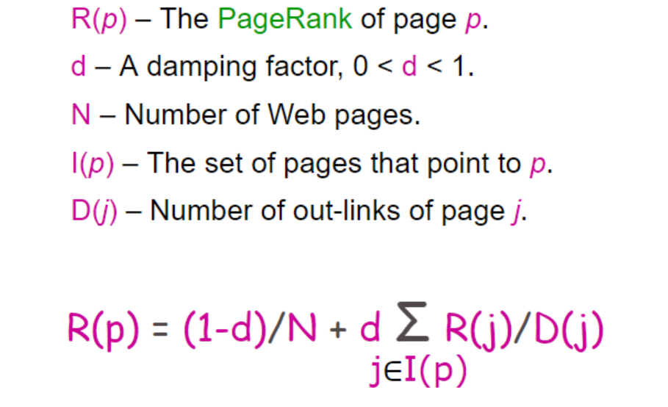
 |  |  |  |  |  | PageRank Calaculation:
 |  |  |  |  |  |  |  |  |  | ניתן לראות של-J יש את ה-PageRank הגבוה ביותר כאשר J הוא העמוד Ranking the top 100 professional athletes since 2000, כלומר הרבה לינקים ניגשים אליו
 |  |  |  |  |  | Iteration 0 | Iteration 1 | Iteration 2 | Iteration 3 | Iteration 4
 |  |  |  |  |  | PR(A) = 1 | PR(A) = 0.150 + 0.85(1.000/2) = 0.575 | PR(A) = 0.150 + 0.85(0.150/2) = 0.214 | PR(A) = 0.150 + 0.85(0.150/2) = 0.214 | PR(A) = 0.150 + 0.85(0.150/2) = 0.214
 |  |  |  |  |  | PR(B) = 1 | PR(B) = 0.150 + 0.85(1.000/2) = 0.575 | PR(B) = 0.150 + 0.85(0.394/2) = 0.318 | PR(B) = 0.150 + 0.85(0.285/2) = 0.271 | PR(B) = 0.150 + 0.85(0.265/2) = 0.263
 |  |  |  |  |  | PR(C) = 1 | PR(C) = 0.150 + 0.85(1.000/2) = 0.575 | PR(C) = 0.150 + 0.85(0.150/2) = 0.214 | PR(C) = 0.150 + 0.85(0.150/2) = 0.214 | PR(C) = 0.150 + 0.85(0.150/2) = 0.214
 |  |  |  |  |  | PR(D) = 1 | PR(D) = 0.150 + 0.85(0.575/2) = 0.394 | PR(D) = 0.150 + 0.85(0.318/2) = 0.285 | PR(D) = 0.150 + 0.85(0.271/2) = 0.265 | PR(D) = 0.150 + 0.85(0.263/2) = 0.262
 |  |  |  |  |  | PR(E) = 1 | PR(E) = 0.150 = 0.150 | PR(E) = 0.150 = 0.150 | PR(E) = 0.150 = 0.150 | PR(E) = 0.150 = 0.150
 |  |  |  |  |  | PR(F) = 1 | PR(F) = 0.150 = 0.150 | PR(F) = 0.150 = 0.150 | PR(F) = 0.150 = 0.150 | PR(F) = 0.150 = 0.150
 |  |  |  |  |  | PR(G) = 1 | PR(G) = 0.150 = 0.150 | PR(G) = 0.150 = 0.150 | PR(G) = 0.150 = 0.150 | PR(G) = 0.150 = 0.150
 |  |  |  |  |  | PR(H) = 1 | PR(H) = 0.150 = 0.150 | PR(H) = 0.150 = 0.150 | PR(H) = 0.150 = 0.150 | PR(H) = 0.150 = 0.150
 |  |  |  |  |  | PR(I) = 1 | PR(I) = 0.150 = 0.150 | PR(I) = 0.150 = 0.150 | PR(I) = 0.150 = 0.150 | PR(I) = 0.150 = 0.150
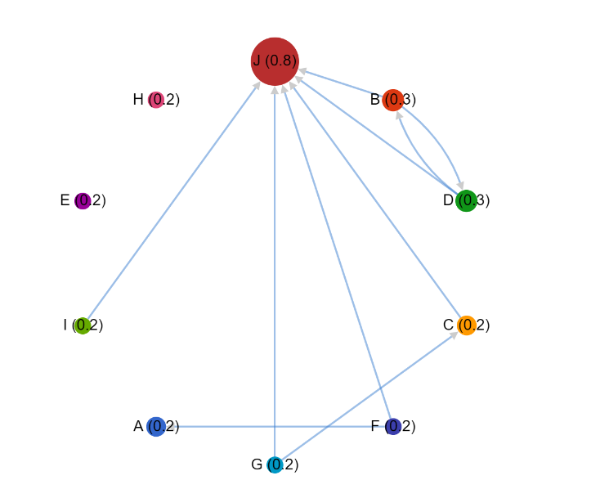
 |  |  |  |  |  | PR(J) = 1 | PR(J) = 0.150 + 0.85(0.575/2 + 0.575/1 + 0.394/2 + 0.150/2 + 0.150/2 + 0.150/1) = 1.306 | PR(J) = 0.150 + 0.85(0.318/2 + 0.214/1 + 0.285/2 + 0.150/2 + 0.150/2 + 0.150/1) = 0.843 | PR(J) = 0.150 + 0.85(0.271/2 + 0.214/1 + 0.265/2 + 0.150/2 + 0.150/2 + 0.150/1) = 0.815 | PR(J) = 0.150 + 0.85(0.263/2 + 0.214/1 + 0.262/2 + 0.150/2 + 0.150/2 + 0.150/1) = 0.810

